Sheet1
Pallet No. 1
ASIN | DESCRIPTION | QTY | Amazon Retail | Ext. Retail | Photo
X000MHVMW7 | Retevis RT-388 Walkie Talkies Boys 0.5W License Free 22CH FRS-Black | 147 | $17.99 | $2,644.53 | 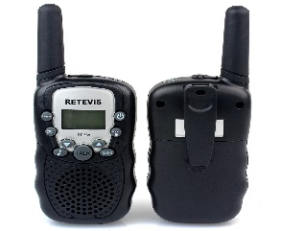
X000OL2725 | Retevis RT-388 Kids Walkie Talkies FRS 22CH LCD Display Flashlight VOX- Yellow | 149 | $19.99 | $2,978.51 | 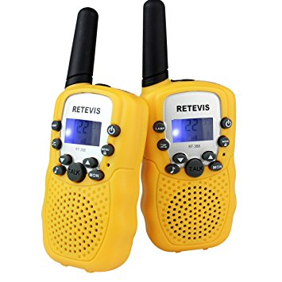
X000P1QJHD | Retevis H-777 Walkie Talkie UHF 400-470MHz 3W 16CH Single Band With Earpiece High Illumination Flashlight Portables 2 Way Radio-Black | 99 | $42.99 | $4,256.01 | 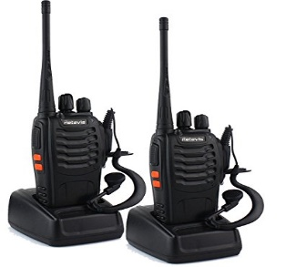
X000M8RZWH | Retevis RT-602 Kids Walkie Talkie Rechargebale 22CH FRS VOX2 Way Radio- Orange | 249 | $29.94 | $7,455.06 | 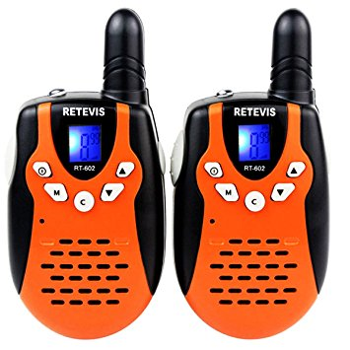
 |  | 644 | TOTAL | $17,334.11

Pallet No. 2
ASIN | DESCRIPTION | QTY | Amazon Retail | Ext. Retail | Photo
X000UJFYWV | Retevis R11 10W UHF Rechargeable Two-Way Radio 70CM 16CH VOX Scrambler Handheld Transceiver with Earpiece & Speaker Mic-Black | 36 | $163.99 | $5,903.64
X0014PDSG9 | Retevis RT6 IP67 Waterproof 2 Way Radio Dual Band VHF/UHF 136-174Mhz/400-520Mhz Ham Radio with Earpiece & Programming-Black | 36 | $99.99 | $3,599.64
X001COE7NP | Retevis RT22 Walkie Talkie Rechargeable 16CH CTSS/DCS VOX License-Free Two Way Radio & Programming Cable-Black | 48 | $62.99 | $3,023.52
X000NLQNUX | Retevis RT-388 Kids Walkie Talkies Boys 0.5W License Free 22CH RFS-Blue | 147 | $19.99 | $2,938.53 | 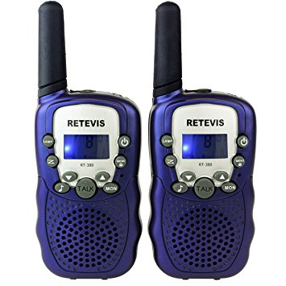
X001DQPB19 | Retevis RT7 Walkie Talkies UHF 400-470MHz 16CH Two Way Radio & Pin Covert Acoustic Tube Earpiece-Black | 24 | $89.99 | $2,159.76 | 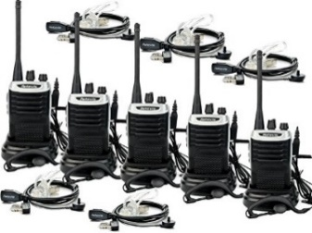
 |  | 291 | TOTAL | $17,625.09

Pallet No.3
ASIN | DESCRIPTION | QTY | Amazon Retail | Ext. Retail | Photo
X000VL49FL | Retevis RT-SR 2 Way Radio SW 128CH Dual Band UHF/VHF 400-520MHz/136-174MHz FM Walkie Talkies & Programming Cable-Black | 36 | $169.99 | $6,119.64 | 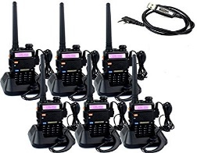
X000LEH9RX | Retevis H-777 Two Way Radios Long Range UHF 400-470MHz 16CH CTCSS/DCS Walkie Talkies with USB Charger-Black | 12 | $52.99 | $635.88
X000W9FT01 | Retevis RT7 Walkie Talkie Rechargeable 3W 16CH UHF 400-470MHz FM Two Way Radio & Programming Cable-Black | 56 | $79.99 | $4,479.44
 |  | 104 | TOTAL | $11,234.96

Pallet No. 4
ASIN | DESCRIPTION | QTY | Amazon Retail | Ext. Retail | Photo
X000ZDM3PX | Retevis RT7 UHF 2-Way Radio 16CH FM Radio with Headset & Programming Cable-Black | 40 | $76.99 | $3,079.60
X000P1QJHD | Retevis RT7 UHF 2-Way Radio 16CH FM Radio with Headset & Programming Cable-Black | 19 | $76.99 | $1,462.81
X000WPVRBP | Retevis H-777 Two Way Radio Signal Band UHF 400-470MHz Rechargeable Walkie Talkies-Black | 48 | $89.99 | $4,319.52 | 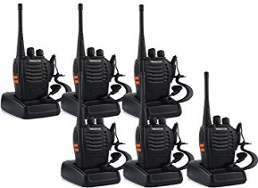
 |  | 107 | TOTAL | $8,861.93

Pallet No. 5
ASIN | DESCRIPTION | QTY | Amazon Retail | Ext. Retail | Photo
X000VYLW1H | Retevis RT32 Kids Walie Talkies 0.5W 22CH FRS UHF VOX Scan Call Alarm Monitor LED Flashlight -Green | 199 | $17.99 | $3,580.01
X000LWD5EL | Retevis RT-388 462.5625-467.7250MHz Portable Walkie Talkie 22CH LCD Display Flashlight VOX Two-Way Radio-Pink | 398 | $19.99 | $7,956.02 | 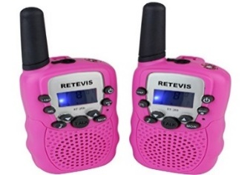
 |  | 597 | TOTAL | $11,536.03

Pallet No. 6
ASIN | DESCRIPTION | QTY | Amazon Retail | Ext. Retail | Photo
X000M8RZWH | Retevis RT-602 Kids Walkie Talkies Rechargeable 22CH FRS VOX 2 Way Radio -Orange | 50 | $29.94 | $1,497.00 | 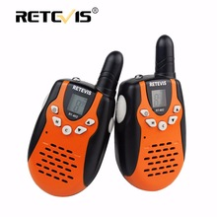
X000LEH9RX | Retevis H-777 Two Way Radio Long Range UHF 400-470MHz 16CH CTCSS/DCS Walkie Talkies with USB Charger-Black | 94 | $52.99 | $4,981.06 | 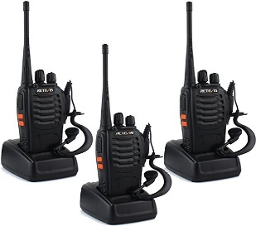
X000ONFYBT | Retevis RT-388 462.5625-467.7250MHz Portable Walkie Talkie 22CH LCD Display Flashlight VOX Two-Way Radio-Blue | 50 | $17.99 | $899.50
X000ONFYXR | Retevis RT628 Kids Walkie Talkies VOX UHF 22CH FRS Two Way Radio- Silver | 100 | $21.99 | $2,199.00
 |  | 294 | TOTAL | $9,576.56

 | TOTALS FOR 6 PALLETS | 2,037 |  | $76,168.68

